Sheet1
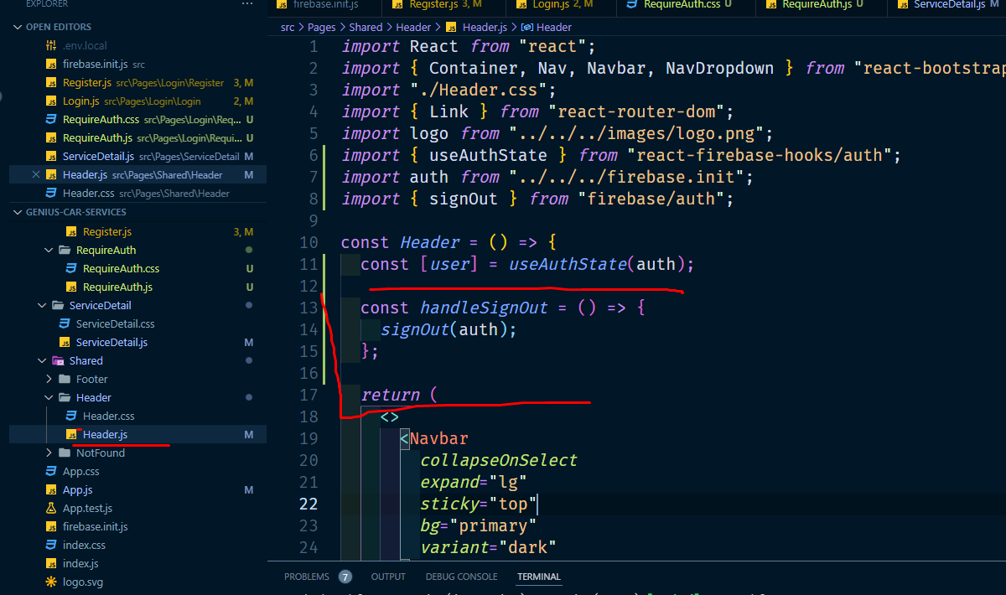
sign out buton and sign out kora

